150423#
MEN'S PADDED JACKET |  |  |  |  | STYLE NO:12021
QTY:199992PCS |  |  |  |  |  | 2020.12.02
 |  |  |  |  |  | HJX
SIZE | M | L | XL | TOTAL
BLACK | 16666 | 16666 | 16666 | 49998
BLUE | 16666 | 16666 | 16666 | 49998
GREY | 16666 | 16666 | 16666 | 49998
WINE RED | 16666 | 16666 | 16666 | 49998
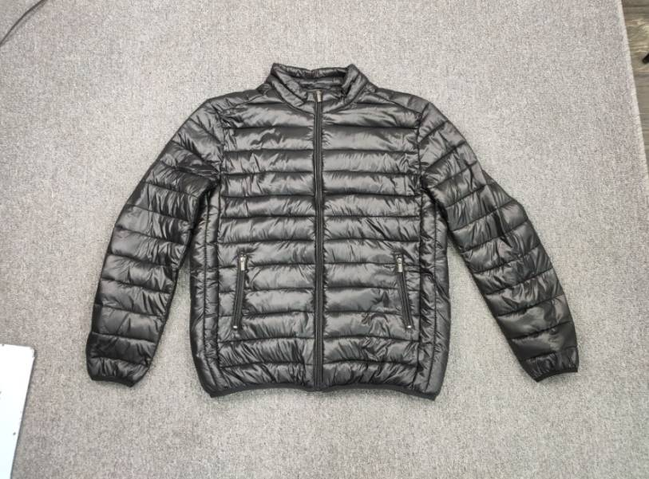 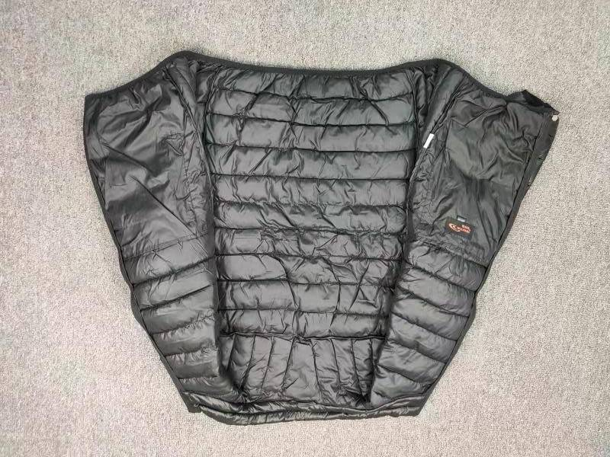

SIZE SPEC（Unit::CM） | M | L | XL
胸围 CHEST | 59 | 61 | 63
后中长CBL | 69 | 71 | 73
袖长SLEEVE | 65 | 67 | 69
袖笼ARMHOLE | 26 | 27 | 28
袖口CUFF | 9 | 9.5 | 10
肩宽SHOULDER | 49 | 52 | 55
下摆BOTTON | 48 | 50 | 52

